PIC
AirBods | 
HeadPhone | 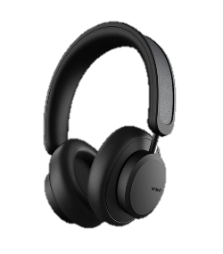
Laptop | 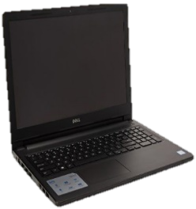
Macbook | 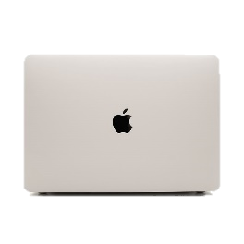
PC | 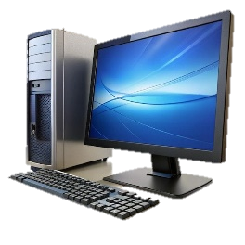
SmartPhone | 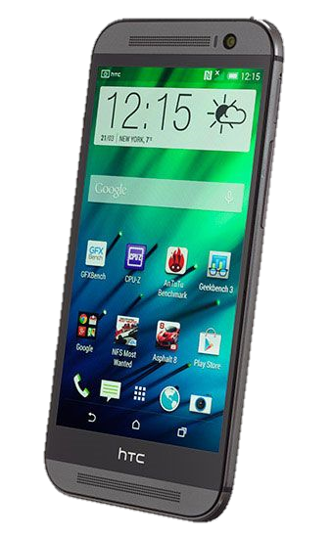
SmartTV | 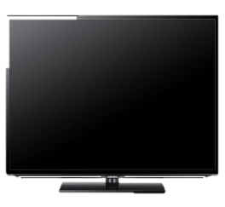
SmartWatch | 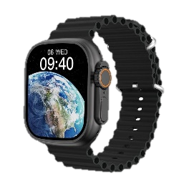

Da
 | Sum of Sales | Sum of Sales2
January | 223,180 | 6.92%
February | 232,848 | 7.22%
March | 330,826 | 10.25%
April | 321,483 | 9.96%
May | 270,187 | 8.37%
June | 179,501 | 5.56%
July | 387,307 | 12.00%
August | 203,817 | 6.32%
September | 249,362 | 7.73%
October | 305,374 | 9.46%
November | 312,896 | 9.70%
December | 210,387 | 6.52%

 | Sales | Max | AVG
East | 678,915 | - | 806,792
North | 1,094,724 | 1,094,724 | 806,792
South | 872,587 | - | 806,792
West | 580,942 | - | 806,792

 |  |  |  |  |  |  |  |  |  | Mangers Perfomance
 | Total
Q1 | 786,855
Q2 | 771,171
Q3 | 840,485
Q4 | 828,657
 | Ehab | Nader | Sameh | Weal
Total | 678,915 | 1,094,724 | 872,587 | 580,942

 | Total
Mostafa | 395,116
Elham | 368,375
Anas | 364,243
Yasser | 361,834
Nagy | 341,173
Mohammed | 325,571
Hamdy | 287,421
Lara | 285,293
Dena | 284,594
Hamza | 213,547

Top | ↑↑ | Q3 | 840,485 | 26.0% | Top | ↑↑ | North | 1,094,724 | 33.9%
Bottom | ↓↓ | Q2 | 771,171 | 23.9% | Bottom | ↓↓ | West | 580,942 | 18.0%

 |  | East
 | 1 | 21.0%
 | 1 | 79.0%
 | 1
 | 1
 | 1
 | 1
 | 1
 | 1
 | 1
 | 1
 | 1
 | 1
 | 1
 | 1
 | 1
 | 1
 | 1
 | 1
 | 1
 | 1
 | 1
 | 1
 | 1
 | 1
 | 1
 |  | North
 | 1 | 33.9%
 | 1 | 66.1%
 | 1
 | 1
 | 1
 | 1
 | 1
 | 1
 | 1
 | 1
 | 1
 | 1
 | 1
 | 1
 | 1
 | 1
 | 1
 | 1
 | 1
 | 1
 | 1
 | 1
 | 1
 | 1
 | 1
 |  | West
 | 1 | 18.0%
 | 1 | 82.0%
 | 1
 | 1
 | 1
 | 1
 | 1
 | 1
 | 1
 | 1
 | 1
 | 1
 | 1
 | 1
 | 1
 | 1
 | 1
 | 1
 | 1
 | 1
 | 1
 | 1
 | 1
 | 1
 | 1
 |  | South
 | 1 | 27.0%
 | 1 | 73.0%
 | 1
 | 1
 | 1
 | 1
 | 1
 | 1
 | 1
 | 1
 | 1
 | 1
 | 1
 | 1
 | 1
 | 1
 | 1
 | 1
 | 1
 | 1
 | 1
 | 1
 | 1
 | 1
 | 1
East
21.0%
North
33.9%
West
18.0%
South
27.0%

